SalesByStore
Sales ($) By Store
 | Total sales | Total sales click
Kings | 592,865
Los Angeles | 559,020
Orange | 551,005 | 551,005
San Diego | 573,510
San Francisco | 627,340
Santa Cruz | 547,295
Sierra | 621,845
Sonoma | 581,035
Tulare | 593,495
Date | Store | Sales ($) | Store | Store | Total sales | Total sales click
2019-01-01 | San Francisco | 3,815 | Orange | Kings | 592,865
2019-01-01 | San Diego | 4,305 | Grand Total | Los Angeles | 559,020
2019-01-01 | Sierra | 6,335 |  | Orange | 551,005 | 551,005
2019-01-01 | San Francisco | 4,550 |  | San Diego | 573,510
2019-01-01 | Tulare | 4,480 |  | San Francisco | 627,340
2019-01-01 | Sierra | 4,200 |  | Santa Cruz | 547,295
2019-01-01 | Los Angeles | 5,635 |  | Sierra | 621,845
2019-01-01 | Los Angeles | 5,880 |  | Sonoma | 581,035
2019-01-01 | Tulare | 6,370 |  | Tulare | 593,495
2019-01-02 | San Diego | 5,425
2019-01-02 | Sierra | 5,145
2019-01-02 | Orange | 6,790
2019-01-02 | Tulare | 4,375
2019-01-02 | Sierra | 6,790
2019-01-02 | Tulare | 6,370
2019-01-02 | Sierra | 5,215
2019-01-02 | San Diego | 5,985
2019-01-02 | Santa Cruz | 6,335
2019-01-03 | Santa Cruz | 5,250 | Sum of Sales ($)
2019-01-03 | San Francisco | 6,440 |  |  | Orange | Grand Total
2019-01-03 | Orange | 3,780 | Jan |  | 156,345 | 156,345
2019-01-03 | Tulare | 6,055 | Feb |  | 161,770 | 161,770
2019-01-03 | San Francisco | 3,990 | Mar |  | 117,565 | 117,565
2019-01-03 | Orange | 3,920 | Apr |  | 115,325 | 115,325
2019-01-03 | Santa Cruz | 5,950 | Grand Total |  | 551,005 | 551,005
2019-01-03 | Kings | 4,305
2019-01-03 | Orange | 5,320
2019-01-04 | Los Angeles | 6,475
2019-01-04 | Sonoma | 6,440
2019-01-04 | Sonoma | 6,405
2019-01-04 | Santa Cruz | 4,410
2019-01-04 | Tulare | 6,580
2019-01-04 | Sonoma | 4,235
2019-01-04 | Sierra | 6,300
2019-01-04 | Sierra | 5,495
2019-01-04 | Sierra | 3,955
2019-01-05 | Tulare | 5,460
2019-01-05 | Kings | 5,425
2019-01-05 | Sonoma | 5,915
2019-01-05 | San Francisco | 3,605
2019-01-05 | Orange | 6,370
2019-01-05 | San Francisco | 3,675
2019-01-05 | San Francisco | 5,565
2019-01-05 | Sierra | 4,865
2019-01-05 | Orange | 5,565
2019-01-06 | Santa Cruz | 4,620
2019-01-06 | Sonoma | 4,375
2019-01-06 | San Diego | 5,145
2019-01-06 | Los Angeles | 4,690
2019-01-06 | Los Angeles | 4,865
2019-01-06 | Kings | 3,500
2019-01-06 | Sonoma | 5,495
2019-01-06 | San Francisco | 7,000
2019-01-06 | Kings | 3,500
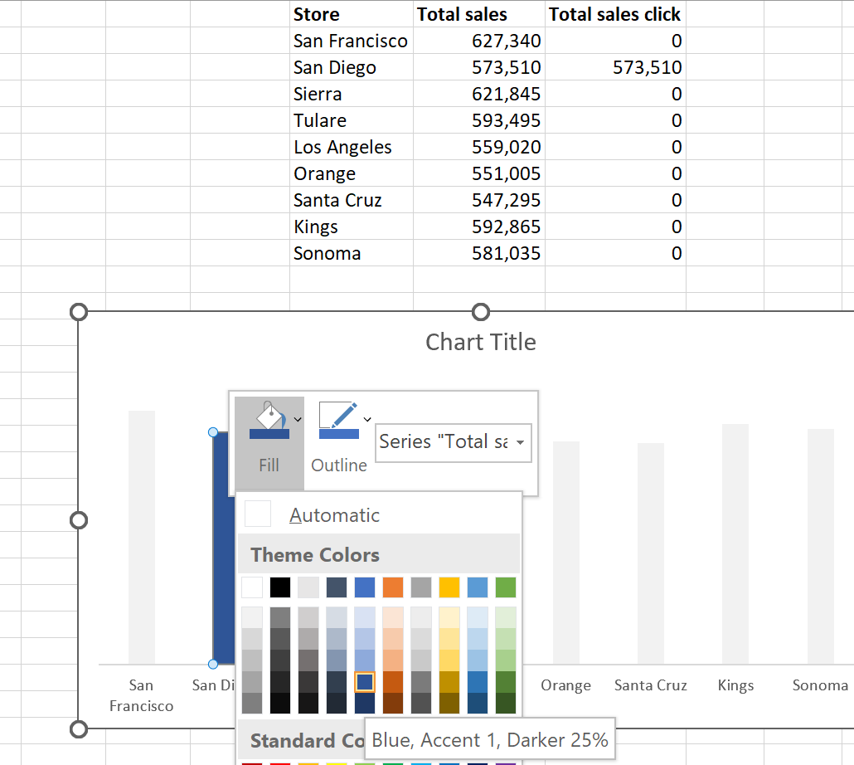
2019-01-07 | San Francisco | 3,850
2019-01-07 | Sonoma | 5,495
2019-01-07 | Sonoma | 4,305
2019-01-07 | Orange | 4,830
2019-01-07 | Sierra | 5,460
2019-01-07 | Los Angeles | 6,650
2019-01-07 | Orange | 4,235
2019-01-07 | Kings | 3,745
2019-01-07 | Sonoma | 5,670
2019-01-08 | Kings | 5,040
2019-01-08 | Santa Cruz | 5,670
2019-01-08 | San Francisco | 4,795
2019-01-08 | Sierra | 4,795
2019-01-08 | Tulare | 5,075
2019-01-08 | Santa Cruz | 4,095
2019-01-08 | San Diego | 4,445
2019-01-08 | Sonoma | 5,390
2019-01-08 | San Diego | 5,215
2019-01-09 | Kings | 3,570
2019-01-09 | Tulare | 4,340
2019-01-09 | San Francisco | 3,885
2019-01-09 | Tulare | 4,095
2019-01-09 | Kings | 4,655
2019-01-09 | Sierra | 5,705
2019-01-09 | San Diego | 5,285
2019-01-09 | Los Angeles | 5,145
2019-01-09 | San Diego | 5,775
2019-01-10 | Sonoma | 3,885
2019-01-10 | Tulare | 4,025
2019-01-10 | Santa Cruz | 3,640
2019-01-10 | San Diego | 3,885
2019-01-10 | Orange | 5,985
2019-01-10 | San Francisco | 3,535
2019-01-10 | Sierra | 6,685
2019-01-10 | Orange | 5,215
2019-01-10 | Kings | 6,860
2019-01-11 | Tulare | 4,060
2019-01-11 | San Francisco | 7,000
2019-01-11 | Orange | 4,200
2019-01-11 | Sonoma | 5,145
2019-01-11 | Orange | 5,110
2019-01-11 | Santa Cruz | 5,145
2019-01-11 | Santa Cruz | 4,585
2019-01-11 | Tulare | 5,285
2019-01-11 | Los Angeles | 4,935
2019-01-12 | San Diego | 4,410
2019-01-12 | Tulare | 6,755
2019-01-12 | Sonoma | 4,200
2019-01-12 | Tulare | 4,795
2019-01-12 | Kings | 6,755
2019-01-12 | Kings | 3,675
2019-01-12 | San Francisco | 3,605
2019-01-12 | Sierra | 5,425
2019-01-12 | San Francisco | 3,675
2019-01-13 | San Diego | 3,675
2019-01-13 | Sierra | 6,685
2019-01-13 | Los Angeles | 4,060
2019-01-13 | Kings | 4,830
2019-01-13 | Orange | 3,885
2019-01-13 | San Francisco | 5,215
2019-01-13 | Orange | 5,110
2019-01-13 | Sierra | 3,570
2019-01-13 | Santa Cruz | 4,025
2019-01-14 | Los Angeles | 3,850
2019-01-14 | Los Angeles | 4,340
2019-01-14 | Los Angeles | 4,655
2019-01-14 | San Francisco | 3,780
2019-01-14 | San Francisco | 4,165
2019-01-14 | San Francisco | 4,375
2019-01-14 | San Diego | 4,515
2019-01-14 | Sonoma | 4,620
2019-01-14 | Kings | 6,685
2019-01-15 | San Diego | 4,725
2019-01-15 | Sonoma | 6,615
2019-01-15 | Sonoma | 5,530
2019-01-15 | Sierra | 4,620
2019-01-15 | Orange | 6,195
2019-01-15 | Santa Cruz | 5,810
2019-01-15 | Los Angeles | 6,090
2019-01-15 | Tulare | 5,845
2019-01-15 | Santa Cruz | 5,915
2019-01-16 | San Francisco | 4,550
2019-01-16 | Orange | 4,305
2019-01-16 | Sonoma | 7,000
2019-01-16 | Sierra | 3,710
2019-01-16 | Santa Cruz | 5,565
2019-01-16 | Kings | 6,195
2019-01-16 | San Diego | 5,005
2019-01-16 | Tulare | 5,215
2019-01-16 | San Francisco | 6,370
2019-01-17 | Tulare | 5,915
2019-01-17 | Los Angeles | 5,425
2019-01-17 | Kings | 4,480
2019-01-17 | Sonoma | 5,425
2019-01-17 | San Diego | 4,620
2019-01-17 | Los Angeles | 5,215
2019-01-17 | Orange | 4,410
2019-01-17 | Orange | 4,900
2019-01-17 | Tulare | 5,670
2019-01-18 | Santa Cruz | 5,215
2019-01-18 | Los Angeles | 4,165
2019-01-18 | Orange | 6,825
2019-01-18 | Sierra | 3,885
2019-01-18 | Sierra | 5,320
2019-01-18 | Sonoma | 4,095
2019-01-18 | San Francisco | 6,580
2019-01-18 | San Diego | 6,965
2019-01-18 | Sierra | 6,615
2019-01-19 | San Francisco | 5,705
2019-01-19 | Santa Cruz | 4,305
2019-01-19 | Sonoma | 4,900
2019-01-19 | Los Angeles | 4,970
2019-01-19 | Orange | 5,145
2019-01-19 | San Francisco | 5,600
2019-01-19 | Santa Cruz | 6,265
2019-01-19 | Sonoma | 5,880
2019-01-19 | Tulare | 3,990
2019-01-20 | Sonoma | 4,515
2019-01-20 | Los Angeles | 3,535
2019-01-20 | Santa Cruz | 5,740
2019-01-20 | San Diego | 6,720
2019-01-20 | San Diego | 5,530
2019-01-20 | San Francisco | 5,390
2019-01-20 | Kings | 6,160
2019-01-20 | Sonoma | 4,865
2019-01-20 | Kings | 5,600
2019-01-21 | Los Angeles | 5,985
2019-01-21 | Santa Cruz | 5,285
2019-01-21 | San Diego | 4,690
2019-01-21 | San Diego | 3,500
2019-01-21 | San Diego | 5,600
2019-01-21 | Los Angeles | 5,950
2019-01-21 | San Francisco | 5,390
2019-01-21 | Orange | 5,530
2019-01-21 | Los Angeles | 6,055
2019-01-22 | San Francisco | 4,060
2019-01-22 | San Francisco | 6,055
2019-01-22 | Tulare | 5,565
2019-01-22 | San Diego | 4,655
2019-01-22 | Los Angeles | 5,565
2019-01-22 | Sonoma | 6,055
2019-01-22 | Santa Cruz | 6,265
2019-01-22 | Orange | 6,160
2019-01-22 | Sierra | 6,125
2019-01-23 | Tulare | 3,535
2019-01-23 | Sonoma | 4,235
2019-01-23 | Kings | 6,160
2019-01-23 | Sonoma | 6,370
2019-01-23 | Orange | 3,605
2019-01-23 | Los Angeles | 3,500
2019-01-23 | Kings | 6,615
2019-01-23 | Orange | 4,550
2019-01-23 | Santa Cruz | 4,025
2019-01-24 | Tulare | 3,990
2019-01-24 | Tulare | 6,825
2019-01-24 | San Francisco | 5,950
2019-01-24 | San Francisco | 5,635
2019-01-24 | Los Angeles | 3,780
2019-01-24 | Los Angeles | 4,970
2019-01-24 | Sierra | 6,125
2019-01-24 | San Francisco | 4,795
2019-01-24 | Santa Cruz | 5,915
2019-01-25 | San Francisco | 5,950
2019-01-25 | Sierra | 5,390
2019-01-25 | Orange | 6,545
2019-01-25 | San Diego | 6,930
2019-01-25 | Kings | 6,335
2019-01-25 | San Diego | 6,405
2019-01-25 | Tulare | 6,475
2019-01-25 | Orange | 4,375
2019-01-25 | Kings | 3,535
2019-01-26 | Tulare | 6,930
2019-01-26 | Los Angeles | 4,200
2019-01-26 | San Diego | 5,880
2019-01-26 | Sonoma | 4,025
2019-01-26 | Tulare | 6,475
2019-01-26 | San Francisco | 3,990
2019-01-26 | Orange | 4,865
2019-01-26 | Kings | 3,570
2019-01-26 | Tulare | 5,915
2019-01-27 | San Francisco | 4,515
2019-01-27 | San Diego | 3,885
2019-01-27 | Los Angeles | 3,570
2019-01-27 | Tulare | 3,780
2019-01-27 | Los Angeles | 5,880
2019-01-27 | Tulare | 4,375
2019-01-27 | Orange | 6,720
2019-01-27 | San Diego | 3,920
2019-01-27 | Los Angeles | 4,655
2019-01-28 | Los Angeles | 3,605
2019-01-28 | San Diego | 4,935
2019-01-28 | Los Angeles | 5,495
2019-01-28 | San Francisco | 3,535
2019-01-28 | Sierra | 5,285
2019-01-28 | Sonoma | 6,020
2019-01-28 | San Francisco | 4,725
2019-01-28 | Sonoma | 5,355
2019-01-28 | San Diego | 5,775
2019-01-29 | San Francisco | 5,985
2019-01-29 | Los Angeles | 3,850
2019-01-29 | Sierra | 3,500
2019-01-29 | Orange | 6,475
2019-01-29 | San Diego | 4,690
2019-01-29 | Sonoma | 6,475
2019-01-29 | San Francisco | 6,125
2019-01-29 | San Francisco | 4,760
2019-01-29 | Sonoma | 5,145
2019-01-30 | San Francisco | 5,320
2019-01-30 | Tulare | 6,055
2019-01-30 | Sonoma | 6,510
2019-01-30 | Santa Cruz | 5,215
2019-01-30 | Sierra | 4,830
2019-01-30 | Santa Cruz | 5,250
2019-01-30 | Santa Cruz | 3,605
2019-01-30 | San Diego | 4,235
2019-01-30 | San Francisco | 6,650
2019-01-31 | Los Angeles | 6,440
2019-01-31 | San Diego | 5,950
2019-01-31 | Sierra | 6,545
2019-01-31 | Orange | 5,425
2019-01-31 | Santa Cruz | 5,180
2019-01-31 | San Diego | 4,480
2019-01-31 | Los Angeles | 4,725
2019-01-31 | Santa Cruz | 6,020
2019-01-31 | Sierra | 3,570
2019-02-01 | Tulare | 4,130
2019-02-01 | San Diego | 6,930
2019-02-01 | Orange | 5,110
2019-02-01 | Sierra | 5,285
2019-02-01 | Los Angeles | 5,600
2019-02-01 | Tulare | 5,495
2019-02-01 | San Diego | 4,095
2019-02-01 | San Diego | 6,545
2019-02-01 | Sierra | 3,815
2019-02-02 | Los Angeles | 4,060
2019-02-02 | Orange | 4,935
2019-02-02 | Santa Cruz | 3,500
2019-02-02 | Sonoma | 6,510
2019-02-02 | San Francisco | 6,650
2019-02-02 | Kings | 5,600
2019-02-02 | San Francisco | 4,760
2019-02-02 | Sonoma | 5,075
2019-02-02 | San Diego | 3,710
2019-02-03 | Orange | 5,950
2019-02-03 | Tulare | 6,195
2019-02-03 | San Francisco | 4,585
2019-02-03 | Kings | 6,265
2019-02-03 | Sierra | 4,375
2019-02-03 | Santa Cruz | 5,915
2019-02-03 | San Francisco | 5,460
2019-02-03 | Sonoma | 3,955
2019-02-03 | Tulare | 4,795
2019-02-04 | Tulare | 4,410
2019-02-04 | Orange | 4,340
2019-02-04 | Santa Cruz | 4,200
2019-02-04 | San Diego | 6,685
2019-02-04 | Kings | 6,930
2019-02-04 | Sierra | 6,440
2019-02-04 | San Diego | 5,215
2019-02-04 | Los Angeles | 6,090
2019-02-04 | Sierra | 6,370
2019-02-05 | Orange | 4,620
2019-02-05 | Santa Cruz | 7,000
2019-02-05 | Tulare | 6,615
2019-02-05 | San Francisco | 4,760
2019-02-05 | San Francisco | 6,265
2019-02-05 | Orange | 5,460
2019-02-05 | Orange | 6,370
2019-02-05 | Orange | 4,095
2019-02-05 | Orange | 5,250
2019-02-06 | Santa Cruz | 5,565
2019-02-06 | Sonoma | 4,270
2019-02-06 | Sonoma | 3,570
2019-02-06 | Kings | 4,095
2019-02-06 | Kings | 6,125
2019-02-06 | Tulare | 5,390
2019-02-06 | Sonoma | 6,160
2019-02-06 | Sierra | 5,460
2019-02-06 | Kings | 6,195
2019-02-07 | Santa Cruz | 5,460
2019-02-07 | San Francisco | 5,705
2019-02-07 | Tulare | 4,305
2019-02-07 | Los Angeles | 6,650
2019-02-07 | Los Angeles | 5,600
2019-02-07 | Santa Cruz | 3,605
2019-02-07 | Kings | 5,740
2019-02-07 | Sierra | 6,790
2019-02-07 | Orange | 4,900
2019-02-08 | Santa Cruz | 6,790
2019-02-08 | Orange | 6,195
2019-02-08 | Sonoma | 5,600
2019-02-08 | Orange | 5,285
2019-02-08 | Tulare | 5,600
2019-02-08 | Sonoma | 4,095
2019-02-08 | Kings | 4,410
2019-02-08 | San Diego | 4,585
2019-02-08 | Orange | 5,705
2019-02-09 | Sonoma | 5,565
2019-02-09 | Sonoma | 3,500
2019-02-09 | Sierra | 6,265
2019-02-09 | San Francisco | 4,655
2019-02-09 | Sierra | 4,725
2019-02-09 | Orange | 5,600
2019-02-09 | Kings | 6,790
2019-02-09 | Kings | 6,090
2019-02-09 | Sierra | 5,670
2019-02-10 | Sierra | 4,515
2019-02-10 | Sierra | 4,970
2019-02-10 | San Francisco | 4,165
2019-02-10 | San Diego | 6,475
2019-02-10 | San Diego | 6,930
2019-02-10 | Sonoma | 4,340
2019-02-10 | San Diego | 6,300
2019-02-10 | San Francisco | 5,775
2019-02-10 | San Francisco | 4,270
2019-02-11 | Los Angeles | 6,405
2019-02-11 | Santa Cruz | 6,090
2019-02-11 | Tulare | 6,090
2019-02-11 | Sierra | 5,740
2019-02-11 | Sonoma | 3,815
2019-02-11 | Sonoma | 6,405
2019-02-11 | San Francisco | 4,480
2019-02-11 | Sierra | 6,510
2019-02-11 | Santa Cruz | 6,475
2019-02-12 | Sierra | 6,090
2019-02-12 | Sierra | 3,605
2019-02-12 | Santa Cruz | 4,655
2019-02-12 | San Diego | 6,685
2019-02-12 | Tulare | 5,005
2019-02-12 | Tulare | 5,355
2019-02-12 | San Francisco | 6,895
2019-02-12 | San Francisco | 6,370
2019-02-12 | Orange | 6,790
2019-02-13 | Kings | 4,480
2019-02-13 | San Diego | 4,935
2019-02-13 | Sonoma | 4,305
2019-02-13 | Orange | 6,790
2019-02-13 | Santa Cruz | 3,710
2019-02-13 | San Francisco | 4,655
2019-02-13 | Sierra | 5,670
2019-02-13 | Santa Cruz | 4,445
2019-02-13 | Tulare | 5,005
2019-02-14 | Kings | 5,250
2019-02-14 | Orange | 3,850
2019-02-14 | Sonoma | 5,915
2019-02-14 | Tulare | 5,425
2019-02-14 | Tulare | 4,620
2019-02-14 | Sonoma | 5,495
2019-02-14 | Santa Cruz | 6,510
2019-02-14 | Sonoma | 6,160
2019-02-14 | San Diego | 4,970
2019-02-15 | Orange | 6,125
2019-02-15 | Kings | 5,985
2019-02-15 | Sierra | 4,200
2019-02-15 | Kings | 5,355
2019-02-15 | Santa Cruz | 4,865
2019-02-15 | San Diego | 7,000
2019-02-15 | Sonoma | 4,900
2019-02-15 | Tulare | 5,985
2019-02-15 | Kings | 3,955
2019-02-16 | Sierra | 6,160
2019-02-16 | Orange | 4,620
2019-02-16 | Sonoma | 5,215
2019-02-16 | San Francisco | 6,895
2019-02-16 | Orange | 6,895
2019-02-16 | San Diego | 3,605
2019-02-16 | Los Angeles | 3,815
2019-02-16 | Santa Cruz | 6,335
2019-02-16 | Sonoma | 4,025
2019-02-17 | Santa Cruz | 3,885
2019-02-17 | Orange | 4,830
2019-02-17 | Sonoma | 4,480
2019-02-17 | Sierra | 6,265
2019-02-17 | Kings | 6,860
2019-02-17 | Kings | 5,565
2019-02-17 | Sierra | 5,880
2019-02-17 | Sierra | 7,000
2019-02-17 | Kings | 4,305
2019-02-18 | San Francisco | 4,900
2019-02-18 | Tulare | 3,780
2019-02-18 | San Francisco | 6,335
2019-02-18 | Santa Cruz | 5,075
2019-02-18 | Kings | 5,390
2019-02-18 | San Francisco | 5,670
2019-02-18 | San Diego | 4,480
2019-02-18 | Tulare | 6,090
2019-02-18 | Los Angeles | 4,340
2019-02-19 | Orange | 5,565
2019-02-19 | Santa Cruz | 5,250
2019-02-19 | Sierra | 5,460
2019-02-19 | Los Angeles | 4,130
2019-02-19 | Sierra | 4,970
2019-02-19 | Sierra | 4,655
2019-02-19 | San Diego | 6,475
2019-02-19 | Kings | 4,340
2019-02-19 | Los Angeles | 4,480
2019-02-20 | San Francisco | 6,965
2019-02-20 | Kings | 3,675
2019-02-20 | Sierra | 6,125
2019-02-20 | Kings | 5,005
2019-02-20 | Sonoma | 6,895
2019-02-20 | Los Angeles | 5,705
2019-02-20 | Tulare | 4,375
2019-02-20 | San Francisco | 5,985
2019-02-20 | Kings | 6,370
2019-02-21 | San Diego | 4,480
2019-02-21 | San Diego | 6,440
2019-02-21 | San Diego | 5,355
2019-02-21 | Los Angeles | 4,935
2019-02-21 | Orange | 6,930
2019-02-21 | Tulare | 6,895
2019-02-21 | Los Angeles | 6,860
2019-02-21 | Orange | 4,165
2019-02-21 | San Francisco | 4,375
2019-02-22 | Orange | 5,250
2019-02-22 | Kings | 6,790
2019-02-22 | Los Angeles | 4,970
2019-02-22 | Santa Cruz | 4,165
2019-02-22 | San Diego | 5,670
2019-02-22 | San Diego | 5,285
2019-02-22 | San Diego | 4,900
2019-02-22 | Sierra | 4,305
2019-02-22 | Kings | 6,265
2019-02-23 | Sonoma | 4,305
2019-02-23 | San Diego | 6,230
2019-02-23 | Sonoma | 4,830
2019-02-23 | San Francisco | 6,440
2019-02-23 | Sierra | 5,215
2019-02-23 | San Diego | 5,705
2019-02-23 | Los Angeles | 3,955
2019-02-23 | Kings | 5,565
2019-02-23 | Orange | 5,810
2019-02-24 | Tulare | 5,670
2019-02-24 | Kings | 5,775
2019-02-24 | Orange | 4,235
2019-02-24 | Kings | 4,165
2019-02-24 | Sonoma | 6,965
2019-02-24 | Kings | 3,990
2019-02-24 | Tulare | 6,300
2019-02-24 | Tulare | 5,495
2019-02-24 | Kings | 3,535
2019-02-25 | Sonoma | 6,615
2019-02-25 | San Francisco | 3,710
2019-02-25 | Sierra | 3,710
2019-02-25 | Sierra | 6,195
2019-02-25 | Santa Cruz | 4,445
2019-02-25 | San Francisco | 5,040
2019-02-25 | Orange | 3,570
...

